County
Trainee County of Residence
 | FY2009 (July 2008 - June 2009)
County | Number | Percent
Adams | 606 | 0.59
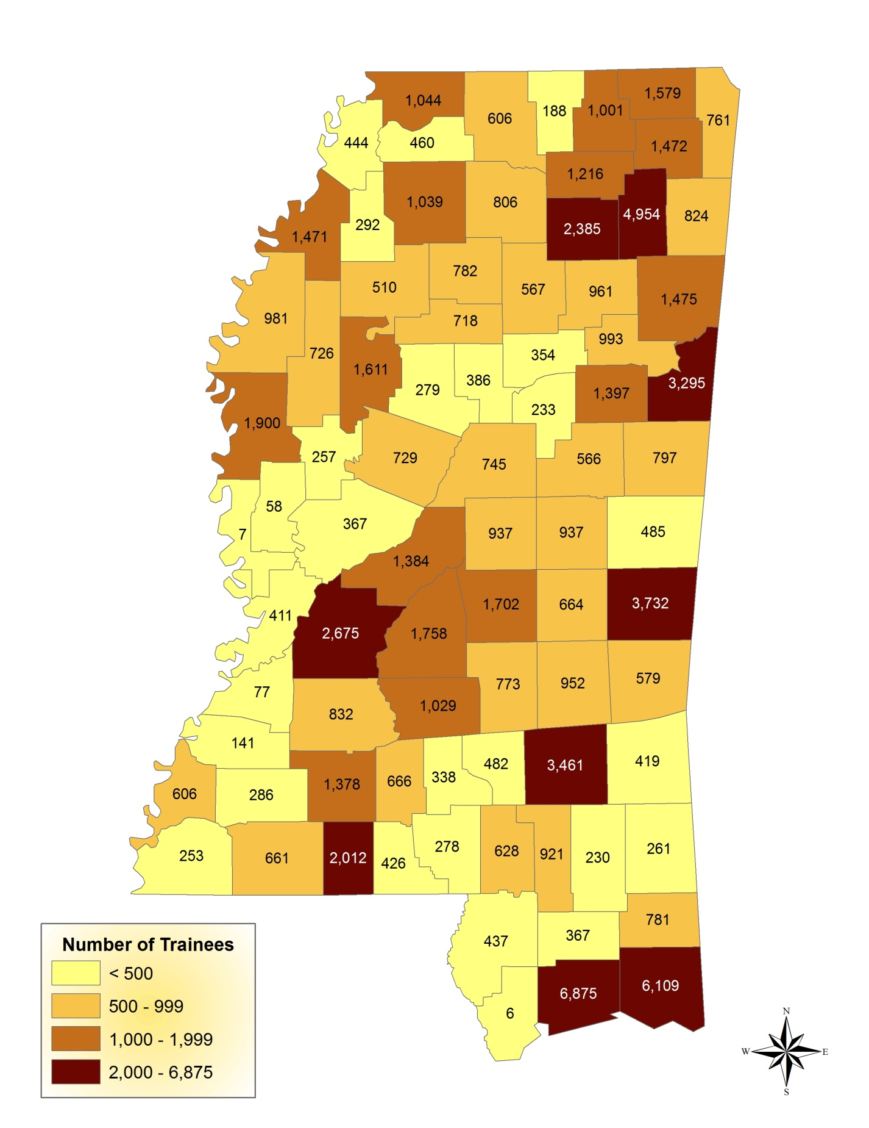
Alcorn | 1,579 | 1.55
Amite | 661 | 0.65
Attala | 745 | 0.73
Benton | 188 | 0.18
Bolivar | 981 | 0.96
Calhoun | 567 | 0.56
Carroll | 279 | 0.27
Chicksaw | 961 | 0.94
Choctaw | 233 | 0.23
Claiborne | 77 | 0.08
Clarke | 579 | 0.57
Clay | 993 | 0.97
Coahoma | 1,471 | 1.44
Copiah | 832 | 0.82
Covington | 482 | 0.47
Desoto | 1,044 | 1.02
Forrest | 921 | 0.90
Franklin | 286 | 0.28
George | 781 | 0.77
Greene | 261 | 0.26
Grenada | 718 | 0.70
Hancock | 6 | 0.01
Harision | 6,875 | 6.74
Hinds | 2,675 | 2.62
Holmes | 729 | 0.71
Humphreys | 257 | 0.25
Issaquena | 7 | 0.01
Itawamba | 824 | 0.81
Jackson | 6,109 | 5.99
Jasper | 952 | 0.93
Jefferson | 141 | 0.14
Jefferson davis | 338 | 0.33
Jones | 3,461 | 3.39
Kemper | 485 | 0.48
Lafayette | 806 | 0.79
Lamar | 628 | 0.62
Lauderdale | 3,732 | 3.66
Lawrence | 666 | 0.65
Leake | 937 | 0.92
Lee | 4,954 | 4.85
Leflore | 1,611 | 1.58
Lincoln | 1,378 | 1.35
Lowndes | 3,295 | 3.23
Madison | 1,384 | 1.36
Marion | 278 | 0.27
Marshall | 606 | 0.59
Monroe | 1,475 | 1.45
Montgomery | 386 | 0.38
Neshoba | 937 | 0.92
Newton | 664 | 0.65
Noxubee | 797 | 0.78
Oktibbeha | 1,397 | 1.37
Panola | 1,039 | 1.02
Pearl rive | 437 | 0.43
Perry | 230 | 0.23
Pike | 2,012 | 1.97
Ponotoc | 2,385 | 2.34
Prentiss | 1,472 | 1.44
Quitman | 292 | 0.29
Rankin | 1,758 | 1.72
Scott | 1,702 | 1.67
Sharkey | 58 | 0.06
Simpson | 1,029 | 1.01
Smith | 773 | 0.76
Stone | 367 | 0.36
Sunflower | 726 | 0.71
Tallahatchie | 510 | 0.50
Tate | 460 | 0.45
Tippah | 1,001 | 0.98
Tishomingo | 761 | 0.75
Tunica | 444 | 0.44
Union | 1,216 | 1.19
Walthall | 426 | 0.42
Warren | 411 | 0.40
Washington | 1,900 | 1.86
Wayne | 419 | 0.41
Webster | 354 | 0.35
Wilkinson | 253 | 0.25
Winston | 566 | 0.55
Yalobusha | 782 | 0.77
Yazoo | 367 | 0.36
Out-of-state | 5,646 | 5.53
Not reported | 8,215 | 8.05
Total | 102,046 | 100.00

Training Events by Category
Training Events Delivered by SBCJC Classification Code July 01, 2008 - June 30, 2009
TRAINING CATEGORY | Training Events
 | FY2009 (July 2008 - June 2009)
 | N | %
Medical / Healthcare | 92,706 | 31.20%
Safety | 54,137 | 18.22%
Customer Service | 15,117 | 5.09%
Industrial Production | 14,576 | 4.91%
Welding / Soldering | 13,753 | 4.63%
Computer Use and Applications | 11,264 | 3.79%
Supervisory / Management | 10,586 | 3.56%
Food Production | 9,091 | 3.06%
Banking and Finance Skills | 7,981 | 2.69%
Industrial Maintenance | 6,951 | 2.34%
Basic Skills | 6,713 | 2.26%
Employability / Remediation | 6,493 | 2.19%
Quality Control Management | 5,157 | 1.74%
Personal Development Skills | 4,706 | 1.58%
Team Management | 4,504 | 1.52%
Law Enforcement | 3,891 | 1.31%
Pre-employment Training | 3,832 | 1.29%
Furniture Manufacturing | 2,797 | 0.94%
Construction Trades | 2,328 | 0.78%
Heavy Machine Operator | 2,123 | 0.71%
Fire Fighting | 2,106 | 0.71%
Telecommunications | 1,524 | 0.51%
Blueprint Reading | 1,058 | 0.36%
Electricity | 981 | 0.33%
Oral Communications | 779 | 0.26%
Childcare | 651 | 0.22%
Sewing / Textiles | 447 | 0.15%
Measurements / Industrial Materials | 439 | 0.15%
GIS / GPS | 403 | 0.14%
A/C Heating Refrigeration | 363 | 0.12%
Entrepreneurial / Small Business | 346 | 0.12%
Drafting | 286 | 0.10%
Train the Trainer | 236 | 0.08%
Electronics | 143 | 0.05%
Forestry / Lumber | 135 | 0.05%
Machine Shop / CNC | 133 | 0.04%
Aquaculture | 88 | 0.03%
Hydraulics / Pneumatics | 52 | 0.02%
Advanced GPS | 33 | 0.01%
Instrumentation | 31 | 0.01%
Housekeeping | 11 | 0.00%
Not reported | 8,180 | 2.75%
Total | 297,131 | 100.00%

Performance Measures by SBCJC
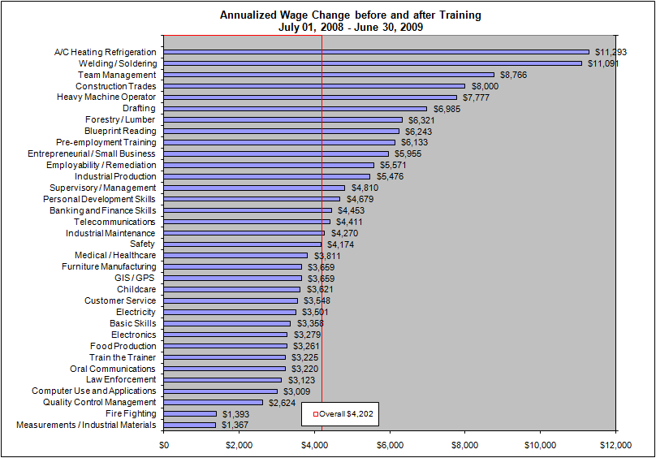
Employment by SBCJC for Fiscal Year 2009
TRAINING CATEGORY | Characteristics | FY2009 (July 2008 - June 2009)
Overall | Total Number Exiting | 100,654

 | Employment After Exit
 | Number Exiting, Quarters 1-3 | 61,156
 | Number Employed One Quarter After Exit | 48,467
 | Percent Employed One Quarter After Exit | 79.25%

 | Employment Retention
 | Number Exiting and Employed, Quarter 1 | 14,892
 | Number Retaining Employment | 12,325
 | Employment Retention Rate | 82.76%

 | Earnings
 | Average Earnings1 | $23,229
 | Annualized Wage Change before and after Training2 | $4,202
 | % of Wage Gain with Training2 | 14.92%
 | Average Annual Earnings after Training | N/A*
Medical / Healthcare | Total Number Exiting | 18,840

 | Employment After Exit
 | Number Exiting, Quarters 1-3 | 12,294
 | Number Employed One Quarter After Exit | 10,374
 | Percent Employed One Quarter After Exit | 84.38%

 | Employment Retention
 | Number Exiting and Employed, Quarter 1 | 2,713
 | Number Retaining Employment | 2,356
 | Employment Retention Rate | 86.84%

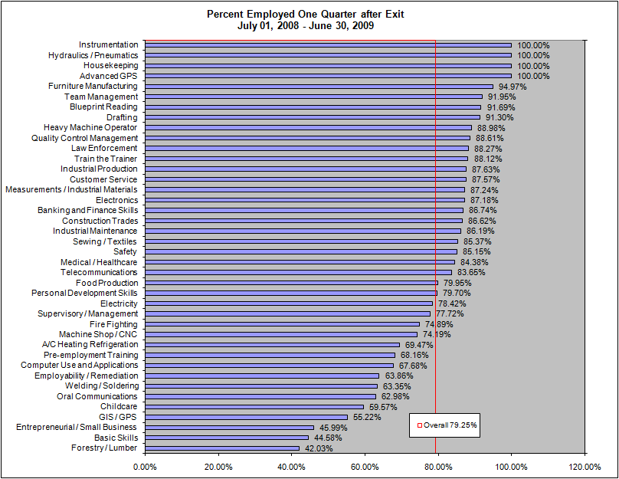
 | Earnings
 | Average Earnings | $28,023
 | Annualized Wage Change before and after Training | $3,811
 | % of Wage Gain with Training | 12.01%
 | Average Annual Earnings after Training | N/A*
Safety | Total Number Exiting | 15,193

 | Employment After Exit
 | Number Exiting, Quarters 1-3 | 8,474
 | Number Employed One Quarter After Exit | 7,216
 | Percent Employed One Quarter After Exit | 85.15%

 | Employment Retention
 | Number Exiting and Employed, Quarter 1 | 2,144
 | Number Retaining Employment | 1,779
 | Employment Retention Rate | 82.98%

 | Earnings
 | Average Earnings | $32,489
 | Annualized Wage Change before and after Training | $4,174
 | % of Wage Gain with Training | 13.07%
 | Average Annual Earnings after Training | N/A*
Industrial Production | Total Number Exiting | 3,650

 | Employment After Exit
 | Number Exiting, Quarters 1-3 | 2,255
 | Number Employed One Quarter After Exit | 1,976
 | Percent Employed One Quarter After Exit | 87.63%

 | Employment Retention
 | Number Exiting and Employed, Quarter 1 | 255
 | Number Retaining Employment | 178
 | Employment Retention Rate | 69.80%

 | Earnings
 | Average Earnings | $17,023
 | Annualized Wage Change before and after Training | $5,476
 | % of Wage Gain with Training | 30.55%
 | Average Annual Earnings after Training | N/A*
Supervisory / Management | Total Number Exiting | 4,403

 | Employment After Exit
 | Number Exiting, Quarters 1-3 | 2,918
 | Number Employed One Quarter After Exit | 2,268
 | Percent Employed One Quarter After Exit | 77.72%

 | Employment Retention
 | Number Exiting and Employed, Quarter 1 | 397
 | Number Retaining Employment | 356
 | Employment Retention Rate | 89.67%

 | Earnings
 | Average Earnings | $47,327
 | Annualized Wage Change before and after Training | $4,810
 | % of Wage Gain with Training | 10.23%
 | Average Annual Earnings after Training | N/A*
Computer Use and Applications | Total Number Exiting | 5,605

 | Employment After Exit
 | Number Exiting, Quarters 1-3 | 3,481
 | Number Employed One Quarter After Exit | 2,356
 | Percent Employed One Quarter After Exit | 67.68%

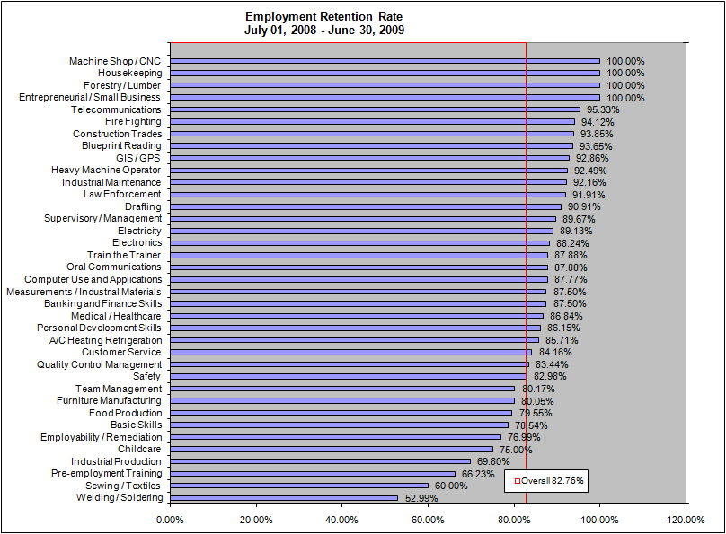
 | Employment Retention
 | Number Exiting and Employed, Quarter 1 | 548
 | Number Retaining Employment | 481
 | Employment Retention Rate | 87.77%

 | Earnings
 | Average Earnings | $29,775
 | Annualized Wage Change before and after Training | $3,009
 | % of Wage Gain with Training | 10.24%
 | Average Annual Earnings after Training | N/A*
Customer Service | Total Number Exiting | 7,883

 | Employment After Exit
 | Number Exiting, Quarters 1-3 | 5,397
 | Number Employed One Quarter After Exit | 4,726
 | Percent Employed One Quarter After Exit | 87.57%

 | Employment Retention
 | Number Exiting and Employed, Quarter 1 | 1,023
 | Number Retaining Employment | 861
 | Employment Retention Rate | 84.16%

 | Earnings
 | Average Earnings | $19,260
 | Annualized Wage Change before and after Training | $3,548
 | % of Wage Gain with Training | 14.15%
 | Average Annual Earnings after Training | N/A*
Welding / Soldering | Total Number Exiting | 5,427

 | Employment After Exit
 | Number Exiting, Quarters 1-3 | 1,438
 | Number Employed One Quarter After Exit | 911
 | Percent Employed One Quarter After Exit | 63.35%

 | Employment Retention
 | Number Exiting and Employed, Quarter 1 | 268
 | Number Retaining Employment | 142
 | Employment Retention Rate | 52.99%

 | Earnings
 | Average Earnings | $8,726
 | Annualized Wage Change before and after Training | $11,091
 | % of Wage Gain with Training | 88.21%
 | Average Annual Earnings after Training | N/A*
Pre-employment Training | Total Number Exiting | 2,415

 | Employment After Exit
 | Number Exiting, Quarters 1-3 | 2,104
 | Number Employed One Quarter After Exit | 1,434
 | Percent Employed One Quarter After Exit | 68.16%

 | Employment Retention
 | Number Exiting and Employed, Quarter 1 | 983
 | Number Retaining Employment | 651
 | Employment Retention Rate | 66.23%

 | Earnings
 | Average Earnings | $6,148
 | Annualized Wage Change before and after Training | $6,133
 | % of Wage Gain with Training | 62.86%
 | Average Annual Earnings after Training | N/A*
Banking and Finance Skills | Total Number Exiting | 2,336

 | Employment After Exit
 | Number Exiting, Quarters 1-3 | 1,048
 | Number Employed One Quarter After Exit | 909
 | Percent Employed One Quarter After Exit | 86.74%

 | Employment Retention
 | Number Exiting and Employed, Quarter 1 | 240
 | Number Retaining Employment | 210
 | Employment Retention Rate | 87.50%

 | Earnings
 | Average Earnings | $36,843
 | Annualized Wage Change before and after Training | $4,453
 | % of Wage Gain with Training | 16.18%
 | Average Annual Earnings after Training | N/A*
Personal Development Skills | Total Number Exiting | 2,872

 | Employment After Exit
 | Number Exiting, Quarters 1-3 | 1,271
 | Number Employed One Quarter After Exit | 1,013
 | Percent Employed One Quarter After Exit | 79.70%

 | Employment Retention
 | Number Exiting and Employed, Quarter 1 | 325
 | Number Retaining Employment | 280
 | Employment Retention Rate | 86.15%

 | Earnings
 | Average Earnings | $24,411
 | Annualized Wage Change before and after Training | $4,679
 | % of Wage Gain with Training | 11.53%
 | Average Annual Earnings after Training | N/A*
Employability / Remediation | Total Number Exiting | 3,703

 | Employment After Exit
 | Number Exiting, Quarters 1-3 | 2,200
 | Number Employed One Quarter After Exit | 1,405
 | Percent Employed One Quarter After Exit | 63.86%

 | Employment Retention
 | Number Exiting and Employed, Quarter 1 | 239
 | Number Retaining Employment | 184
 | Employment Retention Rate | 76.99%

 | Earnings
 | Average Earnings | $7,719
 | Annualized Wage Change before and after Training | $5,571
 | % of Wage Gain with Training | 54.51%
 | Average Annual Earnings after Training | N/A*
Food Production | Total Number Exiting | 6,652

 | Employment After Exit
 | Number Exiting, Quarters 1-3 | 5,111
 | Number Employed One Quarter After Exit | 4,086
 | Percent Employed One Quarter After Exit | 79.95%

 | Employment Retention
 | Number Exiting and Employed, Quarter 1 | 2,646
 | Number Retaining Employment | 2,105
 | Employment Retention Rate | 79.55%

 | Earnings
 | Average Earnings | $13,860
 | Annualized Wage Change before and after Training | $3,261
 | % of Wage Gain with Training | 15.39%
 | Average Annual Earnings after Training | N/A*
Industrial Maintenance | Total Number Exiting | 1,493

 | Employment After Exit
 | Number Exiting, Quarters 1-3 | 753
 | Number Employed One Quarter After Exit | 649
 | Percent Employed One Quarter After Exit | 86.19%

 | Employment Retention
 | Number Exiting and Employed, Quarter 1 | 357
 | Number Retaining Employment | 329
 | Employment Retention Rate | 92.16%

 | Earnings
 | Average Earnings | $59,354
 | Annualized Wage Change before and after Training | $4,270
 | % of Wage Gain with Training | 7.18%
 | Average Annual Earnings after Training | N/A*
Team Management | Total Number Exiting | 956

 | Employment After Exit
 | Number Exiting, Quarters 1-3 | 472
 | Number Employed One Quarter After Exit | 434
 | Percent Employed One Quarter After Exit | 91.95%

 | Employment Retention
 | Number Exiting and Employed, Quarter 1 | 121
 | Number Retaining Employment | 97
 | Employment Retention Rate | 80.17%

 | Earnings
 | Average Earnings | $11,072
 | Annualized Wage Change before and after Training | $8,766
 | % of Wage Gain with Training | 66.77%
 | Average Annual Earnings after Training | N/A*
Quality Control Management | Total Number Exiting | 1,769

 | Employment After Exit
 | Number Exiting, Quarters 1-3 | 1,159
 | Number Employed One Quarter After Exit | 1,027
 | Percent Employed One Quarter After Exit | 88.61%

 | Employment Retention
 | Number Exiting and Employed, Quarter 1 | 314
 | Number Retaining Employment | 262
 | Employment Retention Rate | 83.44%

 | Earnings
 | Average Earnings | $28,780
 | Annualized Wage Change before and after Training | $2,624
 | % of Wage Gain with Training | 9.95%
 | Average Annual Earnings after Training | N/A*
Basic Skills | Total Number Exiting | 3,355

 | Employment After Exit
 | Number Exiting, Quarters 1-3 | 1,734
 | Number Employed One Quarter After Exit | 773
 | Percent Employed One Quarter After Exit | 44.58%

 | Employment Retention
 | Number Exiting and Employed, Quarter 1 | 205
 | Number Retaining Employment | 161
 | Employment Retention Rate | 78.54%

 | Earnings
 | Average Earnings | $9,169
...

