County
Trainee County of Residence
 | FY2010 (July 2009 - June 2010)
County | Number | Percent
Adams | 748 | 0.82
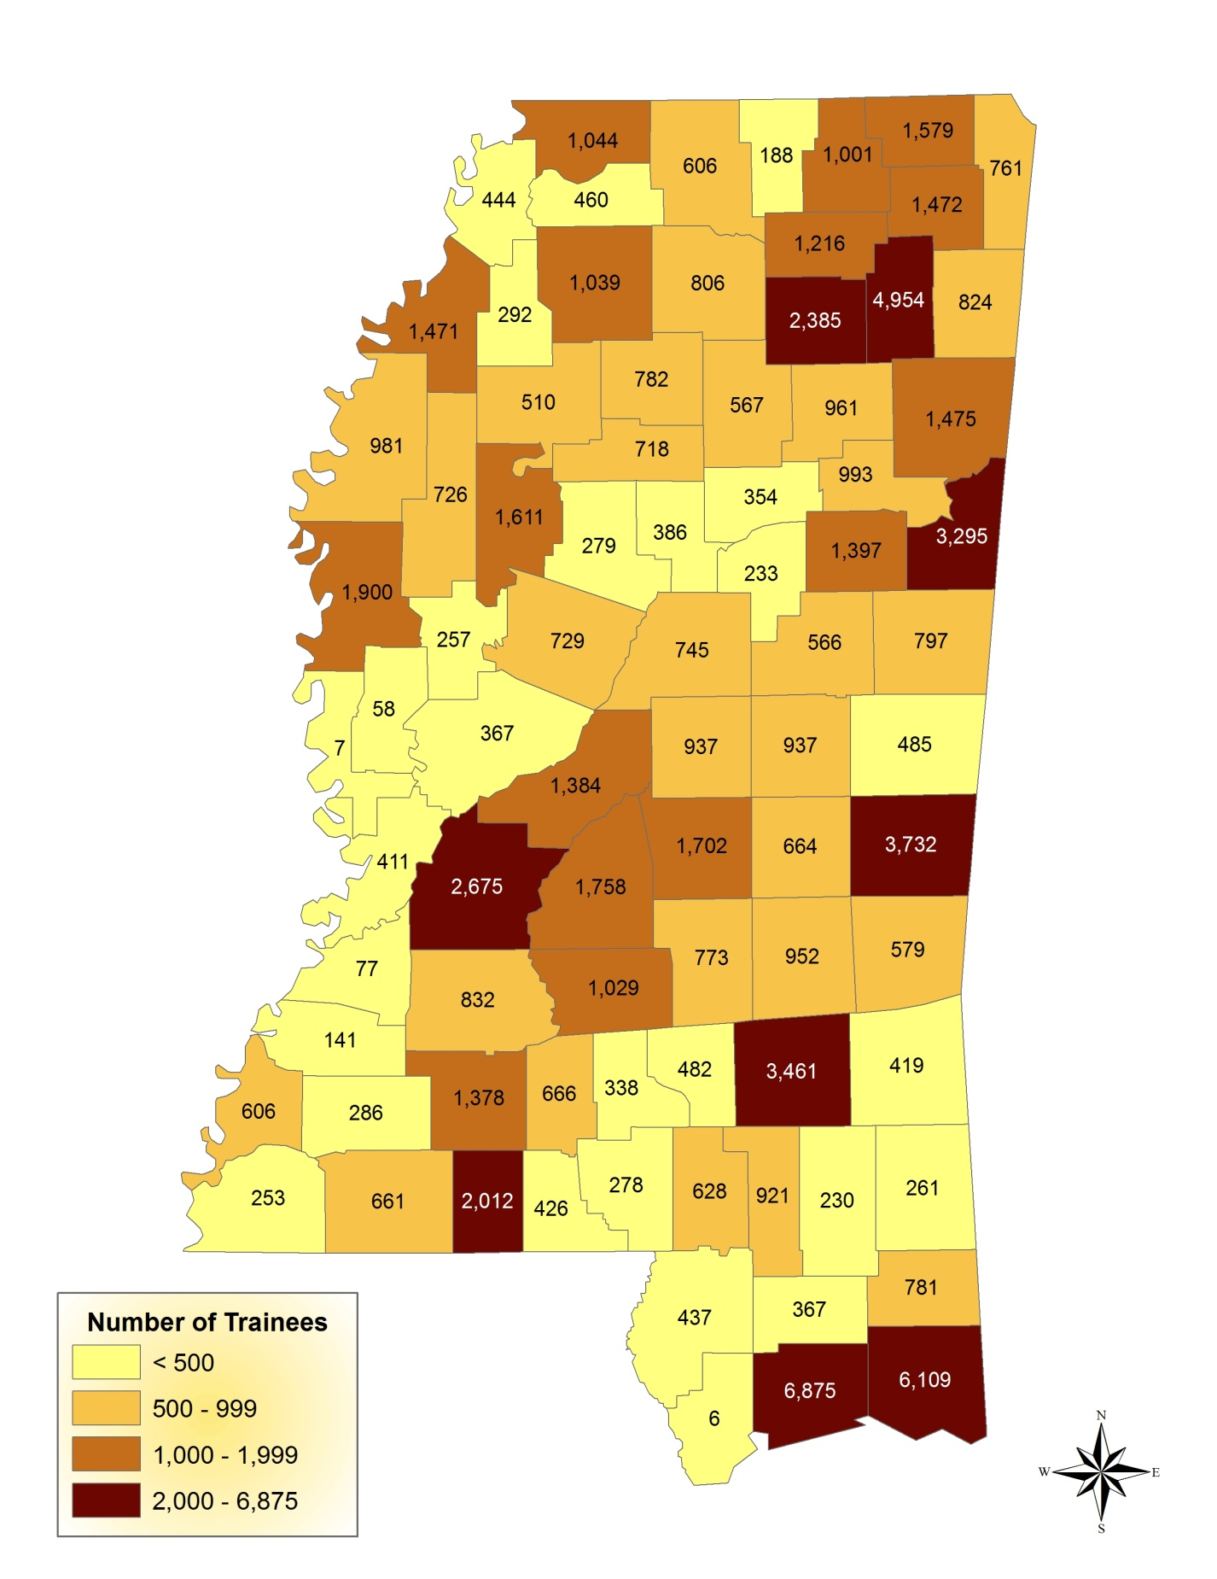
Alcorn | 871 | 0.96
Amite | 478 | 0.53
Attala | 522 | 0.57
Benton | 167 | 0.18
Bolivar | 1,539 | 1.69
Calhoun | 301 | 0.33
Carroll | 294 | 0.32
Chicksaw | 597 | 0.66
Choctaw | 191 | 0.21
Claiborne | 89 | 0.10
Clarke | 448 | 0.49
Clay | 847 | 0.93
Coahoma | 1,577 | 1.73
Copiah | 986 | 1.08
Covington | 522 | 0.57
Desoto | 1,026 | 1.13
Forrest | 2,307 | 2.53
Franklin | 249 | 0.27
George | 764 | 0.84
Greene | 221 | 0.24
Grenada | 616 | 0.68
Hancock | 907 | 1.00
Harision | 6,604 | 7.25
Hinds | 1,627 | 1.79
Holmes | 588 | 0.65
Humphreys | 210 | 0.23
Issaquena | 13 | 0.01
Itawamba | 704 | 0.77
Jackson | 5,546 | 6.09
Jasper | 691 | 0.76
Jefferson | 185 | 0.20
Jefferson davis | 385 | 0.42
Jones | 1,872 | 2.06
Kemper | 358 | 0.39
Lafayette | 595 | 0.65
Lamar | 1,514 | 1.66
Lauderdale | 3,238 | 3.56
Lawrence | 674 | 0.74
Leake | 1,124 | 1.23
Lee | 3,630 | 3.99
Leflore | 1,372 | 1.51
Lincoln | 1,393 | 1.53
Lowndes | 2,489 | 2.73
Madison | 1,122 | 1.23
Marion | 553 | 0.61
Marshall | 387 | 0.43
Monroe | 1,264 | 1.39
Montgomery | 326 | 0.36
Neshoba | 1,858 | 2.04
Newton | 1,017 | 1.12
Noxubee | 468 | 0.51
Oktibbeha | 1,244 | 1.37
Panola | 1,117 | 1.23
Pearl rive | 876 | 0.96
Perry | 337 | 0.37
Pike | 1,579 | 1.73
Ponotoc | 4,222 | 4.64
Prentiss | 654 | 0.72
Quitman | 259 | 0.28
Rankin | 1,201 | 1.32
Scott | 1,390 | 1.53
Sharkey | 57 | 0.06
Simpson | 1,109 | 1.22
Smith | 528 | 0.58
Stone | 545 | 0.60
Sunflower | 721 | 0.79
Tallahatchie | 360 | 0.40
Tate | 421 | 0.46
Tippah | 689 | 0.76
Tishomingo | 411 | 0.45
Tunica | 388 | 0.43
Union | 1,187 | 1.30
Walthall | 415 | 0.46
Warren | 446 | 0.49
Washington | 1,762 | 1.94
Wayne | 365 | 0.40
Webster | 331 | 0.36
Wilkinson | 161 | 0.18
Winston | 1,067 | 1.17
Yalobusha | 389 | 0.43
Yazoo | 380 | 0.42
Out-of-state | 5,399 | 5.93
Not reported | 2,948 | 3.24
Total | 91,032 | 100.00

Training Events by Category
Training Events Delivered by SBCJC Classification Code July 01, 2009 - June 30, 2010
TRAINING CATEGORY | Training Events
 | FY2010 (July 2009 - June 2010)
 | N | %
Safety | 38,646 | 17.38%
Medical / Healthcare | 37,288 | 16.77%
Customer Service | 18,955 | 8.53%
Welding / Soldering | 14,700 | 6.61%
Quality Control Management | 14,419 | 6.49%
Computer Use and Applications | 12,463 | 5.61%
Industrial Production | 12,365 | 5.56%
Supervisory / Management | 12,283 | 5.52%
Basic Skills | 5,266 | 2.37%
Personal Development Skills | 5,067 | 2.28%
Furniture Manufacturing | 4,828 | 2.17%
Industrial Maintenance | 4,032 | 1.81%
Team Management | 3,617 | 1.63%
Law Enforcement | 3,249 | 1.46%
Banking and Finance Skills | 3,132 | 1.41%
Employability / Remediation | 2,882 | 1.30%
Food Production | 2,874 | 1.29%
Construction Trades | 1,979 | 0.89%
Heavy Machine Operator | 1,953 | 0.88%
Forestry / Lumber | 1,906 | 0.86%
Fire Fighting | 1,433 | 0.64%
Pre-employment Training | 1,011 | 0.45%
Blueprint Reading | 915 | 0.41%
Electricity | 879 | 0.40%
Telecommunications | 809 | 0.36%
Childcare | 647 | 0.29%
Sewing / Textiles | 426 | 0.19%
A/C Heating Refrigeration | 426 | 0.19%
Measurements / Industrial Materials | 376 | 0.17%
Drafting | 334 | 0.15%
Entrepreneurial / Small Business | 330 | 0.15%
Oral Communications | 297 | 0.13%
Electronics | 235 | 0.11%
Train the Trainer | 193 | 0.09%
GIS / GPS | 153 | 0.07%
Machine Shop / CNC | 117 | 0.05%
Hydraulics / Pneumatics | 97 | 0.04%
Instrumentation | 71 | 0.03%
Aquaculture | 26 | 0.01%
Housekeeping | 15 | 0.01%
Advanced GPS | 9 | 0.00%
Not reported | 11,616 | 5.22%
Total | 222,319 | 100.00%

Performance Measures
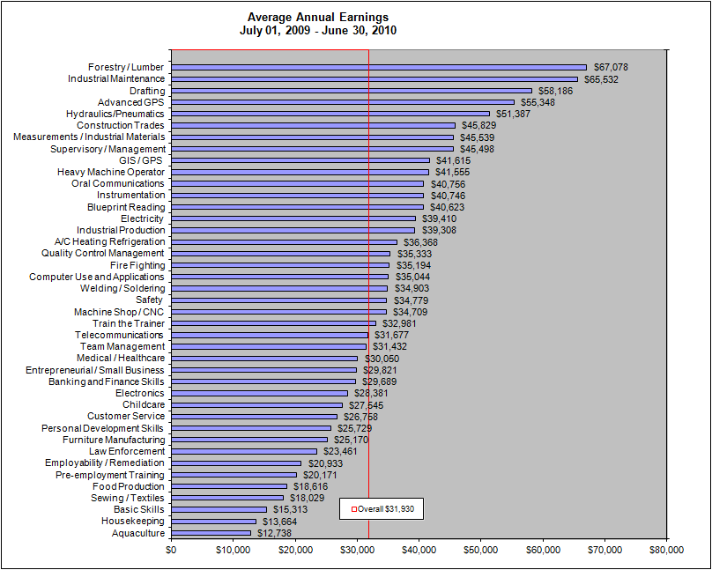
Employment by SBCJC for Fiscal Year 2010
TRAINING CATEGORY | Characteristics | FY2010 (July 2009 - June 2010)
Overall | Employment After Exit
 | Total Number Exiting | 90,910
 | Number Employed One Quarter After Exit | 73,290
 | Percent Employed One Quarter After Exit | 80.62%

 | Employment Retention
 | Number Retaining Employment | 63,737
 | Employment Retention Rate | 86.97%

 | Annualized Wage Change before and after Training | $4,332

 | Average Annual Earnings | $31,930
Medical / Healthcare | Employment After Exit
 | Total Number Exiting | 16,452
 | Number Employed One Quarter After Exit | 14,407
 | Percent Employed One Quarter After Exit | 87.57%

 | Employment Retention
 | Number Retaining Employment | 12,820
 | Employment Retention Rate | 88.98%

 | Annualized Wage Change before and after Training | $4,301

 | Average Annual Earnings | $30,050
Safety | Employment After Exit
 | Total Number Exiting | 12,266
 | Number Employed One Quarter After Exit | 10,318
 | Percent Employed One Quarter After Exit | 84.12%

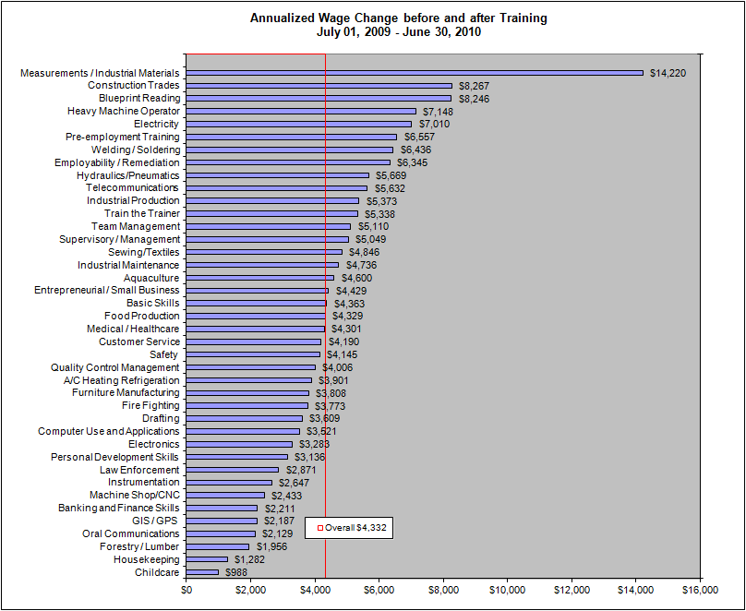
 | Employment Retention
 | Number Retaining Employment | 9,342
 | Employment Retention Rate | 90.54%

 | Annualized Wage Change before and after Training | $4,145

 | Average Annual Earnings | $34,779
Industrial Production | Employment After Exit
 | Total Number Exiting | 3,351
 | Number Employed One Quarter After Exit | 2,978
 | Percent Employed One Quarter After Exit | 88.87%

 | Employment Retention
 | Number Retaining Employment | 2,651
 | Employment Retention Rate | 89.02%

 | Annualized Wage Change before and after Training | $5,373

 | Average Annual Earnings | $39,308
Supervisory / Management | Employment After Exit
 | Total Number Exiting | 5,010
 | Number Employed One Quarter After Exit | 4,503
 | Percent Employed One Quarter After Exit | 89.88%

 | Employment Retention
 | Number Retaining Employment | 4,122
 | Employment Retention Rate | 91.54%

 | Annualized Wage Change before and after Training | $5,049
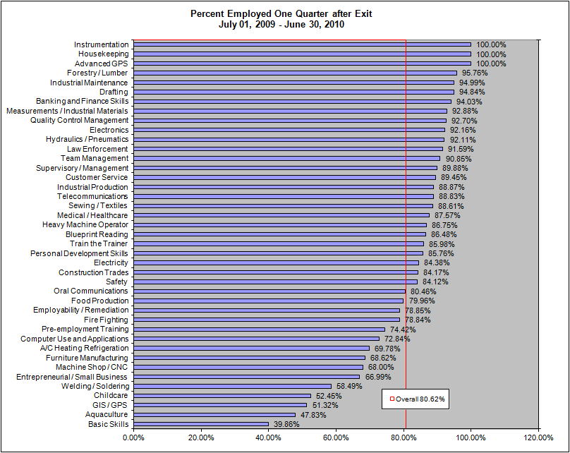
 | Average Annual Earnings | $45,498
Computer Use and Applications | Employment After Exit
 | Total Number Exiting | 5,531
 | Number Employed One Quarter After Exit | 4,029
 | Percent Employed One Quarter After Exit | 72.84%

 | Employment Retention
 | Number Retaining Employment | 3,680
 | Employment Retention Rate | 91.34%

 | Annualized Wage Change before and after Training | $3,521

 | Average Annual Earnings | $35,044
Customer Service | Employment After Exit
 | Total Number Exiting | 10,295
 | Number Employed One Quarter After Exit | 9,209
 | Percent Employed One Quarter After Exit | 89.45%

 | Employment Retention
 | Number Retaining Employment | 7,756
 | Employment Retention Rate | 84.22%

 | Annualized Wage Change before and after Training | $4,190

 | Average Annual Earnings | $26,758
Welding / Soldering | Employment After Exit
 | Total Number Exiting | 5,288
 | Number Employed One Quarter After Exit | 3,093
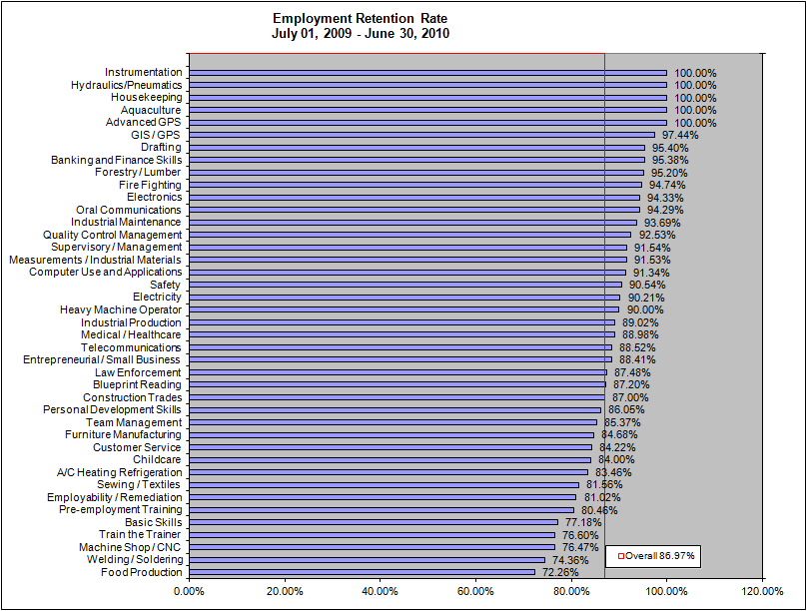
 | Percent Employed One Quarter After Exit | 58.49%

 | Employment Retention
 | Number Retaining Employment | 2,300
 | Employment Retention Rate | 74.36%

 | Annualized Wage Change before and after Training | $6,436

 | Average Annual Earnings | $34,903
Pre-employment Training | Employment After Exit
 | Total Number Exiting | 825
 | Number Employed One Quarter After Exit | 614
 | Percent Employed One Quarter After Exit | 74.42%

 | Employment Retention
 | Number Retaining Employment | 494
 | Employment Retention Rate | 80.46%

 | Annualized Wage Change before and after Training | $6,557

 | Average Annual Earnings | $20,171
Banking and Finance Skills | Employment After Exit
 | Total Number Exiting | 1,290
 | Number Employed One Quarter After Exit | 1,213
 | Percent Employed One Quarter After Exit | 94.03%

 | Employment Retention
 | Number Retaining Employment | 1,157
 | Employment Retention Rate | 95.38%

 | Annualized Wage Change before and after Training | $2,211

 | Average Annual Earnings | $29,689
Personal Development Skills | Employment After Exit
 | Total Number Exiting | 2,801
 | Number Employed One Quarter After Exit | 2,402
 | Percent Employed One Quarter After Exit | 85.76%

 | Employment Retention
 | Number Retaining Employment | 2,067
 | Employment Retention Rate | 86.05%

 | Annualized Wage Change before and after Training | $3,136

 | Average Annual Earnings | $25,729
Employability / Remediation | Employment After Exit
 | Total Number Exiting | 1,537
 | Number Employed One Quarter After Exit | 1,212
 | Percent Employed One Quarter After Exit | 78.85%

 | Employment Retention
 | Number Retaining Employment | 982
 | Employment Retention Rate | 81.02%

 | Annualized Wage Change before and after Training | $6,345

 | Average Annual Earnings | $20,933
Food Production | Employment After Exit
 | Total Number Exiting | 2,610
 | Number Employed One Quarter After Exit | 2,087
 | Percent Employed One Quarter After Exit | 79.96%

 | Employment Retention
 | Number Retaining Employment | 1,508
 | Employment Retention Rate | 72.26%

 | Annualized Wage Change before and after Training | $4,329

 | Average Annual Earnings | $18,616
Industrial Maintenance | Employment After Exit
 | Total Number Exiting | 918
 | Number Employed One Quarter After Exit | 872
 | Percent Employed One Quarter After Exit | 94.99%

 | Employment Retention
 | Number Retaining Employment | 817
 | Employment Retention Rate | 93.69%

 | Annualized Wage Change before and after Training | $4,736

 | Average Annual Earnings | $65,532
Team Management | Employment After Exit
 | Total Number Exiting | 1,377
 | Number Employed One Quarter After Exit | 1,251
 | Percent Employed One Quarter After Exit | 90.85%

 | Employment Retention
 | Number Retaining Employment | 1,068
 | Employment Retention Rate | 85.37%

 | Annualized Wage Change before and after Training | $5,110

 | Average Annual Earnings | $31,432
Quality Control Management | Employment After Exit
 | Total Number Exiting | 2,714
 | Number Employed One Quarter After Exit | 2,516
 | Percent Employed One Quarter After Exit | 92.70%

 | Employment Retention
 | Number Retaining Employment | 2,328
 | Employment Retention Rate | 92.53%

 | Annualized Wage Change before and after Training | $4,006

 | Average Annual Earnings | $35,333
Basic Skills | Employment After Exit
 | Total Number Exiting | 3,244
 | Number Employed One Quarter After Exit | 1,293
 | Percent Employed One Quarter After Exit | 39.86%

 | Employment Retention
 | Number Retaining Employment | 998
 | Employment Retention Rate | 77.18%

 | Annualized Wage Change before and after Training | $4,363

 | Average Annual Earnings | $15,313
Law Enforcement | Employment After Exit
 | Total Number Exiting | 820
 | Number Employed One Quarter After Exit | 751
 | Percent Employed One Quarter After Exit | 91.59%

 | Employment Retention
 | Number Retaining Employment | 657
 | Employment Retention Rate | 87.48%

 | Annualized Wage Change before and after Training | $2,871

 | Average Annual Earnings | $23,461
Furniture Manufacturing | Employment After Exit
 | Total Number Exiting | 2,406
 | Number Employed One Quarter After Exit | 1,651
 | Percent Employed One Quarter After Exit | 68.62%

 | Employment Retention
 | Number Retaining Employment | 1,398
 | Employment Retention Rate | 84.68%

 | Annualized Wage Change before and after Training | $3,808

 | Average Annual Earnings | $25,170
Construction Trades | Employment After Exit
 | Total Number Exiting | 960
 | Number Employed One Quarter After Exit | 808
 | Percent Employed One Quarter After Exit | 84.17%

 | Employment Retention
 | Number Retaining Employment | 703
 | Employment Retention Rate | 87.00%

 | Annualized Wage Change before and after Training | $8,267

 | Average Annual Earnings | $45,829
Fire Fighting | Employment After Exit
 | Total Number Exiting | 482
 | Number Employed One Quarter After Exit | 380
 | Percent Employed One Quarter After Exit | 78.84%

 | Employment Retention
 | Number Retaining Employment | 360
 | Employment Retention Rate | 94.74%

 | Annualized Wage Change before and after Training | $3,773

 | Average Annual Earnings | $35,194
Heavy Machine Operator | Employment After Exit
 | Total Number Exiting | 1,072
 | Number Employed One Quarter After Exit | 930
 | Percent Employed One Quarter After Exit | 86.75%

 | Employment Retention
 | Number Retaining Employment | 837
 | Employment Retention Rate | 90.00%

 | Annualized Wage Change before and after Training | $7,148

 | Average Annual Earnings | $41,555
Measurements / Industrial Materials | Employment After Exit
 | Total Number Exiting | 267
 | Number Employed One Quarter After Exit | 248
 | Percent Employed One Quarter After Exit | 92.88%

 | Employment Retention
 | Number Retaining Employment | 227
 | Employment Retention Rate | 91.53%

 | Annualized Wage Change before and after Training | $14,220

 | Average Annual Earnings | $45,539
Electricity | Employment After Exit
 | Total Number Exiting | 448
 | Number Employed One Quarter After Exit | 378
 | Percent Employed One Quarter After Exit | 84.38%

 | Employment Retention
 | Number Retaining Employment | 341
 | Employment Retention Rate | 90.21%

 | Annualized Wage Change before and after Training | $7,010

 | Average Annual Earnings | $39,410
Entrepreneurial / Small Business | Employment After Exit
 | Total Number Exiting | 309
 | Number Employed One Quarter After Exit | 207
 | Percent Employed One Quarter After Exit | 66.99%

 | Employment Retention
 | Number Retaining Employment | 183
...

