Training Events by Category
Training Events Delivered by SBCJC Classification Code July 01, 2010 - June 30, 2011
TRAINING CATEGORY | Training Events
 | FY2011 (July 2010 - June 2011)
 | N | %
Safety | 54,896 | 26.10%
Medical/Healthcare | 32,211 | 15.31%
Quality Control Management | 12,523 | 5.95%
Customer Service | 12,257 | 5.83%
Industrial Production | 11,904 | 5.66%
Furniture Manufacturing | 9,130 | 4.34%
Welding / Soldering | 8,946 | 4.25%
Computer Use and Applications | 8,781 | 4.17%
Supervisory / Management | 7,771 | 3.69%
Basic Skills | 6,465 | 3.07%
Food Production | 5,382 | 2.56%
Employability / Remediation | 4,953 | 2.35%
Construction Trades | 4,445 | 2.11%
Personal Development Skills | 4,250 | 2.02%
Pre-employment Training | 4,039 | 1.92%
Banking and Finance Skills | 3,475 | 1.65%
Team Management | 3,186 | 1.51%
Heavy Machine Operator | 2,438 | 1.16%
Law Enforcement | 2,107 | 1.00%
Industrial Maintenance | 2,043 | 0.97%
Electricity | 827 | 0.39%
Forestry / Lumber | 809 | 0.38%
A/C Heating Refrigeration | 633 | 0.30%
Fire Fighting | 545 | 0.26%
Childcare | 530 | 0.25%
Blueprint Reading | 462 | 0.22%
Measurements / Industrial Materials | 385 | 0.18%
Oral Communications | 292 | 0.14%
Entrepreneurial / Small Business | 290 | 0.14%
GIS / GPS | 240 | 0.11%
Machine Shop / CNC | 200 | 0.10%
Train the Trainer | 182 | 0.09%
Electronics | 178 | 0.08%
Drafting | 173 | 0.08%
Sewing / Textiles | 150 | 0.07%
Hydraulics / Pneumatics | 68 | 0.03%
Housekeeping | 29 | 0.01%
Instrumentation | 24 | 0.01%
Telecommunications | 18 | 0.01%
Advanced GPS | 10 | 0.00%
Trots | 10 | 0.00%
Not Reported | 3,102 | 1.47%
Total | 210,359 | 100.00%

Performance Measures
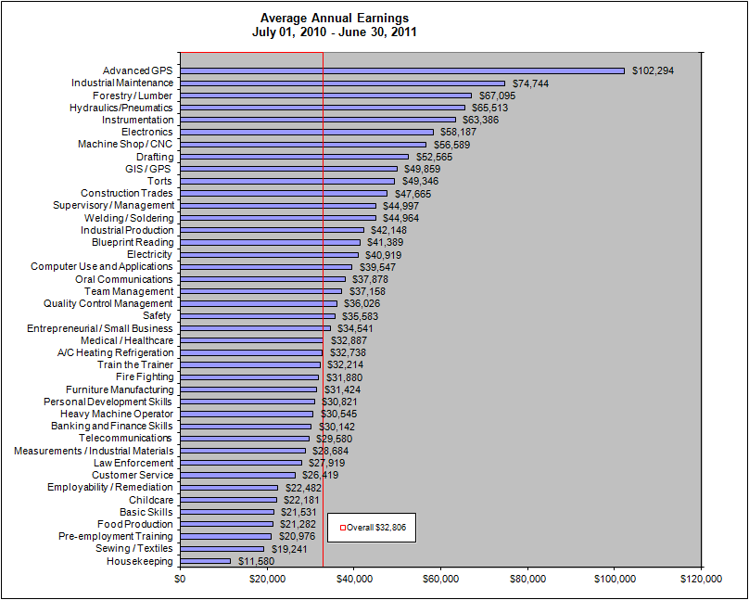
Employment by SBCJC for Fiscal Year 2011
TRAINING CATEGORY | Characteristics | FY2011 (July 2010 - June 2011)
Overall | Employment After Exit
 | Total Number Exiting | 81,894
 | Number Employed One Quarter After Exit | 66,465
 | Percent Employed One Quarter After Exit | 81.16%

 | Employment Retention
 | Number Retaining Employment | 57,082
 | Employment Retention Rate | 85.88%

 | Annualized Wage Change before and after Training | $4,917

 | Average Annual Earnings | $32,806
Medical / Healthcare | Employment After Exit
 | Total Number Exiting | 13,941
 | Number Employed One Quarter After Exit | 12,203
 | Percent Employed One Quarter After Exit | 87.53%

 | Employment Retention
 | Number Retaining Employment | 9,959
 | Employment Retention Rate | 81.61%

 | Annualized Wage Change before and after Training | $4,912

 | Average Annual Earnings | $32,887
Safety | Employment After Exit
 | Total Number Exiting | 11,955
 | Number Employed One Quarter After Exit | 10,417
 | Percent Employed One Quarter After Exit | 87.14%

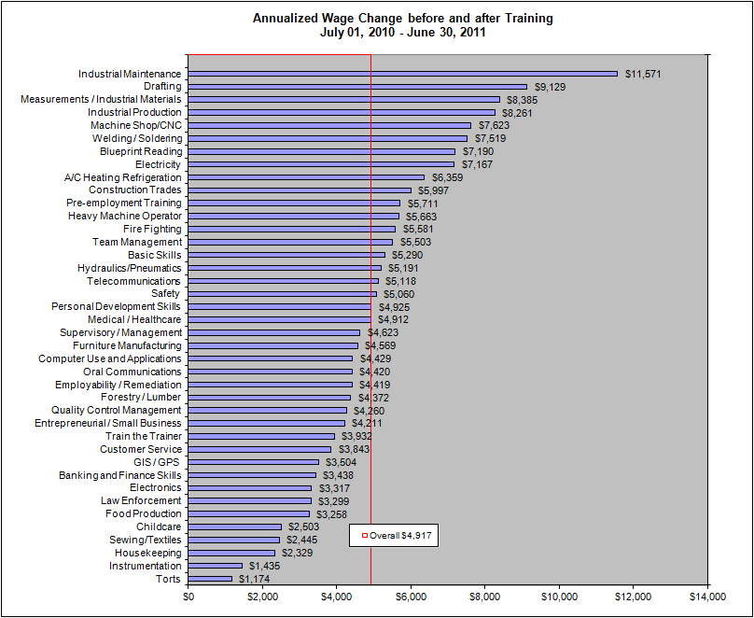
 | Employment Retention
 | Number Retaining Employment | 9,255
 | Employment Retention Rate | 88.85%

 | Annualized Wage Change before and after Training | $5,060

 | Average Annual Earnings | $35,583
Industrial Production | Employment After Exit
 | Total Number Exiting | 3,869
 | Number Employed One Quarter After Exit | 3,266
 | Percent Employed One Quarter After Exit | 84.41%

 | Employment Retention
 | Number Retaining Employment | 2,910
 | Employment Retention Rate | 89.10%

 | Annualized Wage Change before and after Training | $8,261

 | Average Annual Earnings | $42,148
Supervisory / Management | Employment After Exit
 | Total Number Exiting | 2,647
 | Number Employed One Quarter After Exit | 2,401
 | Percent Employed One Quarter After Exit | 90.71%

 | Employment Retention
 | Number Retaining Employment | 2,230
 | Employment Retention Rate | 92.88%

 | Annualized Wage Change before and after Training | $4,623
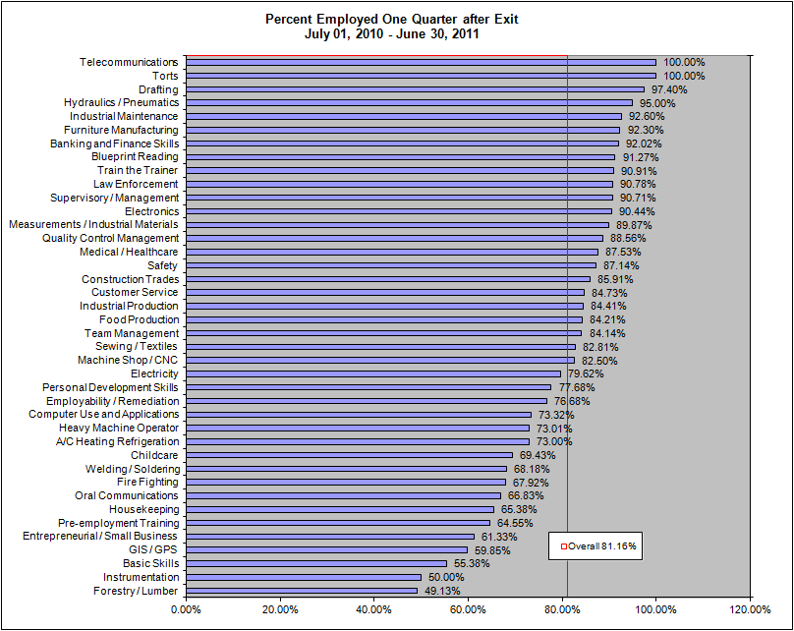
 | Average Annual Earnings | $44,997
Computer Use and Applications | Employment After Exit
 | Total Number Exiting | 5,033
 | Number Employed One Quarter After Exit | 3,690
 | Percent Employed One Quarter After Exit | 73.32%

 | Employment Retention
 | Number Retaining Employment | 3,041
 | Employment Retention Rate | 82.41%

 | Annualized Wage Change before and after Training | $4,429

 | Average Annual Earnings | $39,547
Customer Service | Employment After Exit
 | Total Number Exiting | 7,946
 | Number Employed One Quarter After Exit | 6,733
 | Percent Employed One Quarter After Exit | 84.73%

 | Employment Retention
 | Number Retaining Employment | 5,797
 | Employment Retention Rate | 86.10%

 | Annualized Wage Change before and after Training | $3,843

 | Average Annual Earnings | $26,419
Welding / Soldering | Employment After Exit
 | Total Number Exiting | 2,162
 | Number Employed One Quarter After Exit | 1,474
 | Percent Employed One Quarter After Exit | 68.18%
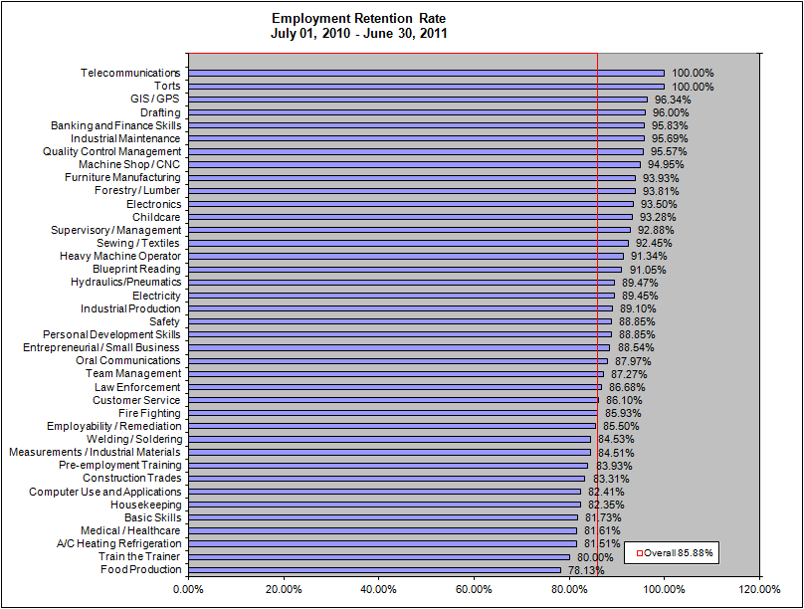
 | Employment Retention
 | Number Retaining Employment | 1,246
 | Employment Retention Rate | 84.53%

 | Annualized Wage Change before and after Training | $7,519

 | Average Annual Earnings | $44,964
Pre-employment Training | Employment After Exit
 | Total Number Exiting | 2,680
 | Number Employed One Quarter After Exit | 1,730
 | Percent Employed One Quarter After Exit | 64.55%

 | Employment Retention
 | Number Retaining Employment | 1,452
 | Employment Retention Rate | 83.93%

 | Annualized Wage Change before and after Training | $5,711

 | Average Annual Earnings | $20,976
Banking and Finance Skills | Employment After Exit
 | Total Number Exiting | 1,617
 | Number Employed One Quarter After Exit | 1,488
 | Percent Employed One Quarter After Exit | 92.02%

 | Employment Retention
 | Number Retaining Employment | 1,426
 | Employment Retention Rate | 95.83%

 | Annualized Wage Change before and after Training | $3,438

 | Average Annual Earnings | $30,142
Personal Development Skills | Employment After Exit
 | Total Number Exiting | 2,043
 | Number Employed One Quarter After Exit | 1,587
 | Percent Employed One Quarter After Exit | 77.68%

 | Employment Retention
 | Number Retaining Employment | 1,410
 | Employment Retention Rate | 88.85%

 | Annualized Wage Change before and after Training | $4,925

 | Average Annual Earnings | $30,821
Employability / Remediation | Employment After Exit
 | Total Number Exiting | 3,615
 | Number Employed One Quarter After Exit | 2,772
 | Percent Employed One Quarter After Exit | 76.68%

 | Employment Retention
 | Number Retaining Employment | 2,370
 | Employment Retention Rate | 85.50%

 | Annualized Wage Change before and after Training | $4,419

 | Average Annual Earnings | $22,482
Food Production | Employment After Exit
 | Total Number Exiting | 4,111
 | Number Employed One Quarter After Exit | 3,462
 | Percent Employed One Quarter After Exit | 84.21%

 | Employment Retention
 | Number Retaining Employment | 2,705
 | Employment Retention Rate | 78.13%

 | Annualized Wage Change before and after Training | $3,258

 | Average Annual Earnings | $21,282
Industrial Maintenance | Employment After Exit
 | Total Number Exiting | 676
 | Number Employed One Quarter After Exit | 626
 | Percent Employed One Quarter After Exit | 92.60%

 | Employment Retention
 | Number Retaining Employment | 599
 | Employment Retention Rate | 95.69%

 | Annualized Wage Change before and after Training | $11,571

 | Average Annual Earnings | $74,744
Team Management | Employment After Exit
 | Total Number Exiting | 700
 | Number Employed One Quarter After Exit | 589
 | Percent Employed One Quarter After Exit | 84.14%

 | Employment Retention
 | Number Retaining Employment | 514
 | Employment Retention Rate | 87.27%

 | Annualized Wage Change before and after Training | $5,503

 | Average Annual Earnings | $37,158
Quality Control Management | Employment After Exit
 | Total Number Exiting | 1,477
 | Number Employed One Quarter After Exit | 1,308
 | Percent Employed One Quarter After Exit | 88.56%

 | Employment Retention
 | Number Retaining Employment | 1,250
 | Employment Retention Rate | 95.57%

 | Annualized Wage Change before and after Training | $4,260

 | Average Annual Earnings | $36,026
Basic Skills | Employment After Exit
 | Total Number Exiting | 4,646
 | Number Employed One Quarter After Exit | 2,573
 | Percent Employed One Quarter After Exit | 55.38%

 | Employment Retention
 | Number Retaining Employment | 2,103
 | Employment Retention Rate | 81.73%

 | Annualized Wage Change before and after Training | $5,290

 | Average Annual Earnings | $21,531
Law Enforcement | Employment After Exit
 | Total Number Exiting | 835
 | Number Employed One Quarter After Exit | 758
 | Percent Employed One Quarter After Exit | 90.78%

 | Employment Retention
 | Number Retaining Employment | 657
 | Employment Retention Rate | 86.68%

 | Annualized Wage Change before and after Training | $3,299

 | Average Annual Earnings | $27,919
Furniture Manufacturing | Employment After Exit
 | Total Number Exiting | 2,000
 | Number Employed One Quarter After Exit | 1,846
 | Percent Employed One Quarter After Exit | 92.30%

 | Employment Retention
 | Number Retaining Employment | 1,734
 | Employment Retention Rate | 93.93%

 | Annualized Wage Change before and after Training | $4,569

 | Average Annual Earnings | $31,424
Construction Trades | Employment After Exit
 | Total Number Exiting | 2,860
 | Number Employed One Quarter After Exit | 2,457
 | Percent Employed One Quarter After Exit | 85.91%

 | Employment Retention
 | Number Retaining Employment | 2,047
 | Employment Retention Rate | 83.31%

 | Annualized Wage Change before and after Training | $5,997

 | Average Annual Earnings | $47,665
Fire Fighting | Employment After Exit
 | Total Number Exiting | 293
 | Number Employed One Quarter After Exit | 199
 | Percent Employed One Quarter After Exit | 67.92%

 | Employment Retention
 | Number Retaining Employment | 171
 | Employment Retention Rate | 85.93%

 | Annualized Wage Change before and after Training | $5,581

 | Average Annual Earnings | $31,880
Heavy Machine Operator | Employment After Exit
 | Total Number Exiting | 1,519
 | Number Employed One Quarter After Exit | 1,109
 | Percent Employed One Quarter After Exit | 73.01%

 | Employment Retention
 | Number Retaining Employment | 1,013
 | Employment Retention Rate | 91.34%

 | Annualized Wage Change before and after Training | $5,663

 | Average Annual Earnings | $30,545
Measurements / Industrial Materials | Employment After Exit
 | Total Number Exiting | 79
 | Number Employed One Quarter After Exit | 71
 | Percent Employed One Quarter After Exit | 89.87%

 | Employment Retention
 | Number Retaining Employment | 60
 | Employment Retention Rate | 84.51%

 | Annualized Wage Change before and after Training | $8,385

 | Average Annual Earnings | $28,684
Electricity | Employment After Exit
 | Total Number Exiting | 476
 | Number Employed One Quarter After Exit | 379
 | Percent Employed One Quarter After Exit | 79.62%

 | Employment Retention
 | Number Retaining Employment | 339
 | Employment Retention Rate | 89.45%

 | Annualized Wage Change before and after Training | $7,167

 | Average Annual Earnings | $40,919
Entrepreneurial / Small Business | Employment After Exit
 | Total Number Exiting | 256
 | Number Employed One Quarter After Exit | 157
 | Percent Employed One Quarter After Exit | 61.33%

 | Employment Retention
 | Number Retaining Employment | 139
 | Employment Retention Rate | 88.54%

 | Annualized Wage Change before and after Training | $4,211

 | Average Annual Earnings | $34,541
Blueprint Reading | Employment After Exit
 | Total Number Exiting | 355
 | Number Employed One Quarter After Exit | 324
 | Percent Employed One Quarter After Exit | 91.27%

 | Employment Retention
 | Number Retaining Employment | 295
 | Employment Retention Rate | 91.05%

 | Annualized Wage Change before and after Training | $7,190

 | Average Annual Earnings | $41,389
Oral Communications | Employment After Exit
 | Total Number Exiting | 199
 | Number Employed One Quarter After Exit | 133
 | Percent Employed One Quarter After Exit | 66.83%

 | Employment Retention
 | Number Retaining Employment | 117
 | Employment Retention Rate | 87.97%

 | Annualized Wage Change before and after Training | $4,420
...

